LOMAX
Lomax System Outdoor Configurator

 |  | Document No. 25-0404-C1, 4th April 2025

 |  | Barricade Design Parameters
 |  | Height (metres) | 2.4
 |  | Length (metres) | 10.0
 |  | Design Wind Speed (m/s) | 14.0
 |  | Stud Spacing (metres) | 1.2
 |  | Unit Conversions
 | Equivalent Wind Speed (km/h) |  | 50.4
 | Equivalent Wind Pressure (kPa) |  | 0.142
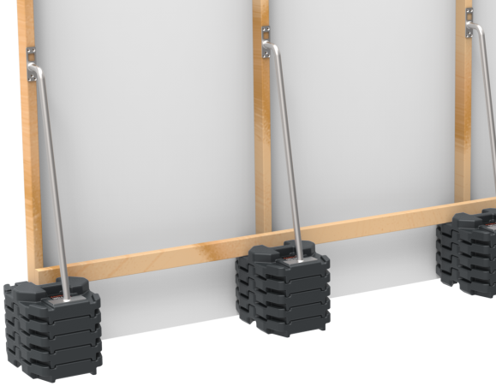
1
 | Single Stack
 | Total No. Of Blocks Required
 | 11 (with High Post)
 | Fixing Single Stack - Reference Lomax Barricades
 | Installation & Technical Guide

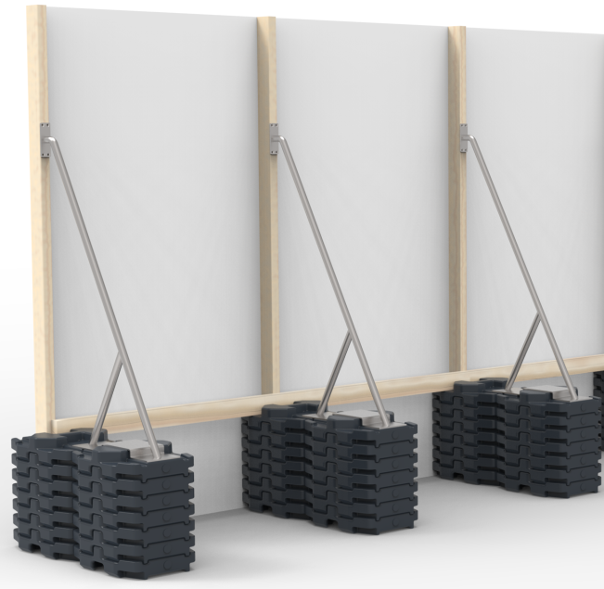
1
 | Double Stack
 | Total No. Of Blocks Required
 | 6 (3+3 with Double Stack Post)
 | Fixing Double Stack - Reference Lomax Barricades
 | Installation & Technical Guide

 | NOTES: i. Installers are responsible for OH&S, consult the appropriate competent persons or engineer for correct wind speed.selection for your location. ii. Design parameters: Density of air 1.2 kg/m3, Reduction Factor Self Weight 0.9, Coefficient of friction plastic and concrete 0.5. 1. Lomax proprietary Steel Posts: Kiosk, High and Double Stack Posts.

